Procedure
Benefit analysis of IT applications - three-step procedure
1. discussion of the exclusion criteriaAs a first step, exclusion criteria should be discussed. These criteria define which IT applications are out of the question for the company. These may include legal, technical or financial reasons, for example. The exclusion criteria are important prerequisites for a meaningful benefit analysis, as applications that do not meet these criteria can be excluded from the outset. This prevents unnecessary time and resources being invested in the evaluation of applications that are out of the question anyway. 2 Carrying out the utility analysisOnce the exclusion criteria have been discussed, the actual utility analysis can be carried out. The remaining IT applications are evaluated on the basis of various criteria. These can be, for example, user-friendliness, functionality, integration, scalability or costs. Each criterion is given a weighting that should be tailored to the needs and objectives of the company. The individual IT applications are then evaluated based on the criteria and an overall score is calculated. The IT application with the highest overall score is then the most suitable application for the company. 3. sensitivity analysis As a third step, a sensitivity analysis can be carried out. This check of the robustness of the utility analysis examines the effects of uncertainties or changes in the input parameters on the result. For example, the weightings of the criteria are varied or assumptions about the costs or benefits of the applications are changed. This review can identify potential weaknesses or uncertainties in the evaluation. A sensitivity analysis can therefore help to make a well-founded decision and verify the result of the benefit analysis.

1. Discuss and apply exclusion criteria
o Certain IT applications can be excluded without analysis
§ Is the company's product a catalog product without after-salesservices?
No potential for virtual reality or augmented reality
§ Is the product configured on a customer-specific basis?
No potential for e-commerce
§ Is the company's IT maturity deep?
No potential for virtual reality, augmented reality, CRM, chatbot
§ Does the company only have one product?
No potential for Portal
2. The weighting of the criteria can be freely assigned. However, care must be taken to ensure that the weighting adds up to 100
o The weighting indicates how important a criterion is for the company's decision-making team
3. The assessment of the degree of fulfillment of a criterion should ideally be carried outusing the school grading system (1 = poor fulfillment, 6 = verygood fulfillment).
4. The points are calculated automatically (weighting x rating)
5. The utility value is the sum of the points achieved by an IT application

Participants in a benefit analysis

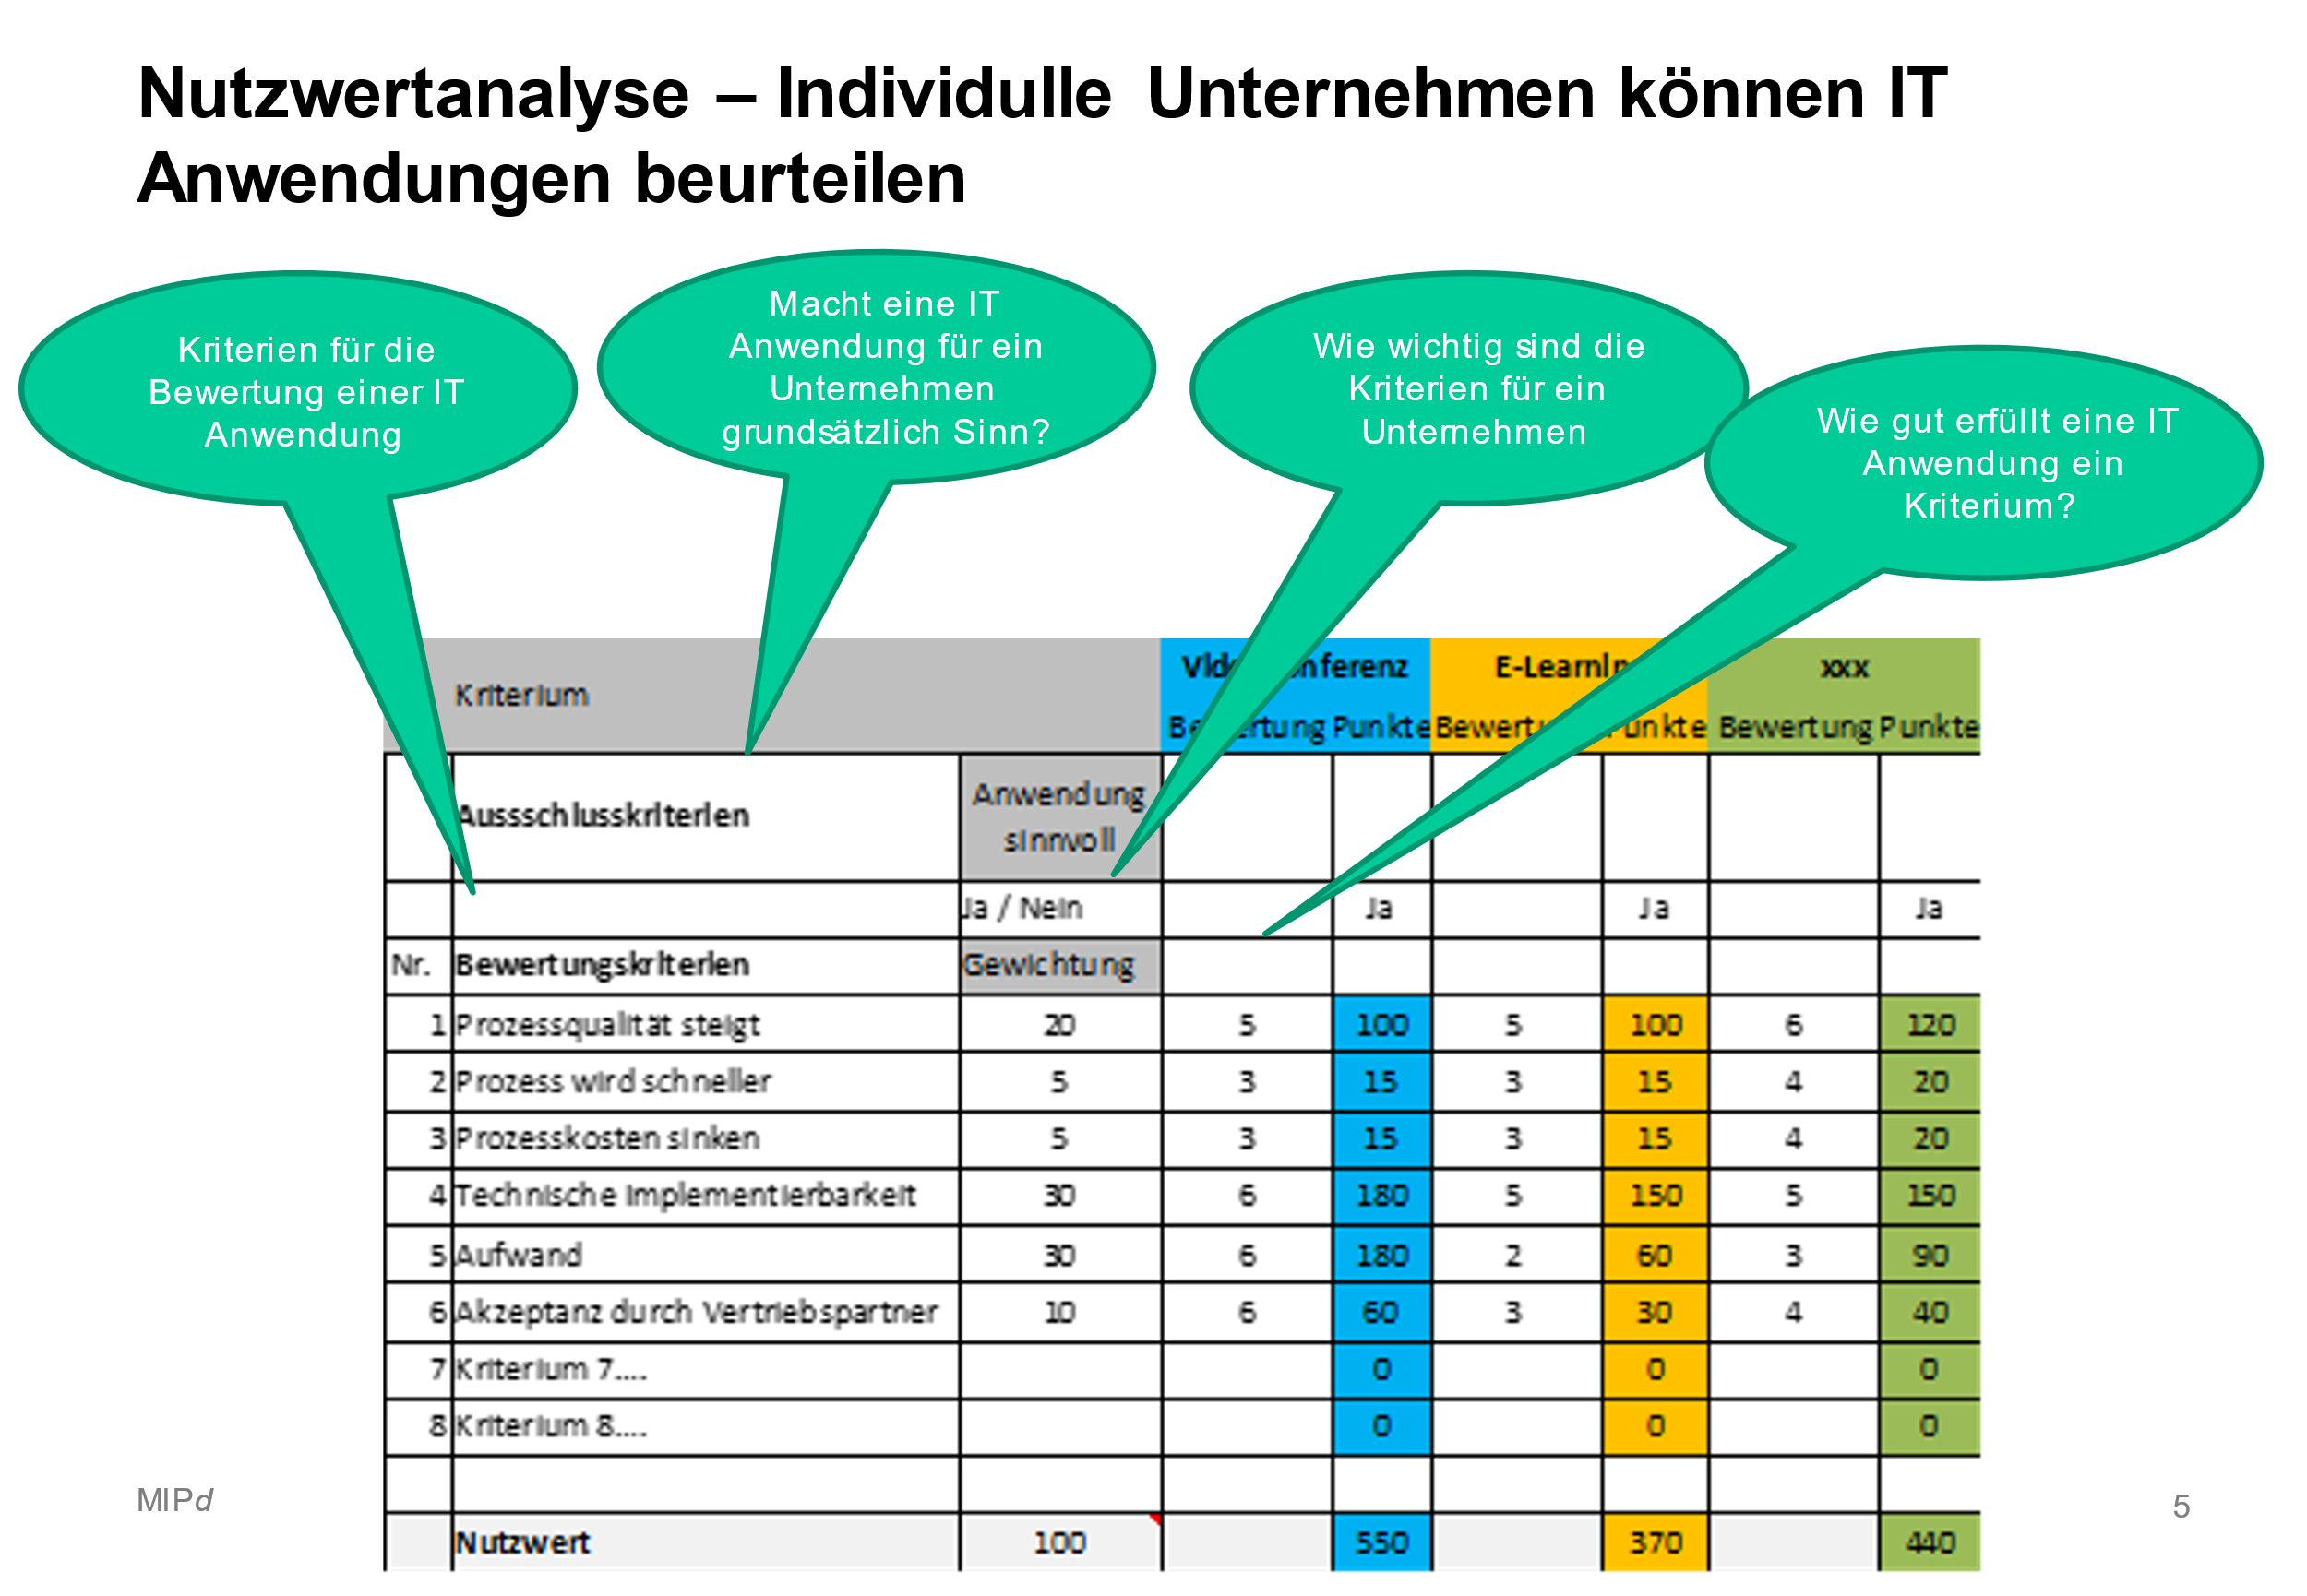

 | Basically useful for all companies | If these criteria apply, this IT application probably makes no sense | Decision: this application is considered in the utility analysis: Yes/No
1. content marketing / marketing automation
Marketing that focuses on creating, publishing on the Internet. Tools include newsletters, social networks, weblogs, podcasts, SEO,... | X
2. video conference
Video conferencing is the synchronous exchange of information with video and audio transmission. | X
3. chatbot
An online dialog system that works in real time and accepts and responds to requests on a text basis or with the help of voice recognition. |  | The introduction is very complex and involves a great deal of effort. Further clarifications only make sense for companies with a high level of maturity and a high IT budget
4. augmented reality
Digital elements are inserted into the real world - directly on a screen or in a pair of glasses - in front of the viewer's eyes. |  | The introduction is still at the beginning of the life cycle and involves a great deal of effort. Further clarifications only make sense for companies with a high degree of maturity and a high IT budget
Deployment : Supporting partners during service visits to end customers
5. virtual reality
Virtual reality is an artificial environment that is created with software and presented to the user |  | The introduction is still at the beginning of the life cycle and involves a great deal of effort. Further clarifications only make sense for companies with a high degree of maturity and a high IT budget
Use : industrial VR training
6. e-learning
E-learning describes forms of learning that are supported by electronic, technical or digital media. | X
7. e-commerce
Online purchase option for partners/customers so that they can buy the supplier's product/spare parts. |  | Not useful / very time-consuming if customer-specific products are sold without standardization
8th portal
IT application that enables companies to communicate easily with their partners |  | Not useful if only one product group is sold
9 CRM Customer Relationship Management
Centralized management of customer information and sales processes. CRM offers the opportunity to cover the entire value chain with the Partne. |  | Very complex and only recommended for companies with a high level of IT maturity

2. utility analysis
Benefit analysis IT applications - 2nd benefit analysis
 | Exclusion criteria | Useful application | Yes / No |  |  | Yes / No |  |  | Yes/No |  |  | Yes/No |  |  | Yes/No |  |  | Yes/No |  |  | Yes/No |  |  | Yes/No |  |  | Yes/No

 | Criterion |  | Augmented reality |  |  | Chatbot |  |  | Content Marketing |  |  | Customer Relationship Management |  |  | E-Commerce |  |  | E-learning |  |  | NPS Net Promoter Score |  |  | Video conference |  |  | Virtual Reality
 |  |  | Rating | Points | Reason | Rating | Points | Reason | Rating | Points | Reason | Rating | Points | Reason | Rating | Points | Reason | Rating | Points | Reason | Rating | Points | Reason | Rating | Points | Reason | Rating | Points | Reason
No. | Evaluation criteria | Weighting
1 | Process quality increases | 20 | 5 | 100 |  | 5 | 100 |  | 6 | 120 |  | 6 | 120 |  |  | 0 |  |  | 0 |  |  | 0 |  |  | 0 |  |  | 0
2 | Process becomes faster | 5 | 3 | 15 |  | 3 | 15 |  | 4 | 20 |  | 3 | 15 |  |  | 0 |  |  | 0 |  |  | 0 |  |  | 0 |  |  | 0
3 | Lower process costs | 5 | 3 | 15 |  | 3 | 15 |  | 4 | 20 |  | 5 | 25 |  |  | 0 |  |  | 0 |  |  | 0 |  |  | 0 |  |  | 0
4 | Technical implementability | 30 | 6 | 180 |  | 5 | 150 |  | 5 | 150 |  | 4 | 120 |  |  | 0 |  |  | 0 |  |  | 0 |  |  | 0 |  |  | 0
5 | Expenditure | 20 | 6 | 120 |  | 2 | 40 |  | 3 | 60 |  | 3 | 60 |  |  | 0 |  |  | 0 |  |  | 0 |  |  | 0 |  |  | 0
6 | Acceptance by sales partners | 10 | 6 | 60 |  | 3 | 30 |  | 4 | 40 |  | 3 | 30 |  |  | 0 |  |  | 0 |  |  | 0 |  |  | 0 |  |  | 0
7 | Integration into current IT environment | 10 | 4 | 40 |  | 4 | 40 |  | 4 | 40 |  |  | 0 |  |  | 0 |  |  | 0 |  |  | 0 |  |  | 0 |  |  | 0

 | Utility value | 100 |  | 530 |  |  | 390 |  |  | 450 |  |  | 370 |  |  | 0 |  |  | 0 |  |  | 0 |  |  | 0 |  |  | 0
 | See below: Examples of justifications
Note on the utility analysis:
This utility analysis assumes that up to 8 criteria are compared with each other.
The weighting can be freely assigned. However, it is important to ensure that the weighting adds up to 100 (see example).
The degree of fulfillment of a criterion should be evaluated using the school grading system (1 = worst, 6 = best).
The points are calculated automatically (weighting x rating)
The utility value is the sum of the points achieved for a solution.

 |  | Minimum rating: 1 |  | Maximum rating: 6 |  | Example
 | Process quality increases | Process quality will not increase as a result of the IT application |  | Process quality will increase significantly through IT application |  | E-learning can significantly improve the transfer of know-how to partners
 | Process becomes faster | IT application does not speed up the process |  | IT application makes the process significantly faster |  | E-commerce can increase cooperation with the partner and thus their motivation
 | Lower process costs | Litigation costs remain the same |  | Process costs can be significantly reduced |  | E-commerce can increase cooperation with the partner and thus their motivation
 | Technical implementability | Low implementability because the IT application is very innovative and/or the company is at a low level of IT maturity |  | High implementability because the IT application is tried and tested and has already been introduced many times and/or the company is at a high level of IT maturity |  | Virtual reality training is very innovative and can therefore be implemented in depth
 | Expenditure | High one-off and recurring external and internal expenses |  | Low one-off and recurring external and internal expenses |  | CRM has very high one-off and recurring external and internal costs
 | Acceptance by sales partners | Lower acceptance by sales partners likely |  | High acceptance by sales partners likely |  | E-learning has a high level of acceptance if it is introduced in a customer-friendly way
 | Integration into current IT environment | High complexity for integration into the company's current IT environment |  | Deep complexity for integration into the company's current IT environment |  | CRM can mean a major intervention in a company's IT environment. A great deal of effort is required for the integration

